AHP ANALYSIS
alternative suppliers | criteria
 | Quality | Price | Payment Flexibility | Order fulfillment | Time
supplier A | 4.25 | 5.00 | 4.00 | 4.25 | 3.00
supplier B | 4.27 | 5.00 | 4.50 | 5.00 | 3.00
supplier C | 4.25 | 5.00 | 4.25 | 4.00 | 4.00
Total | 12.77 | 15.00 | 12.75 | 13.25 | 10.00

Normalized Data
alternative suppliers | criteria
 | Quality | Price | Payment Flexibility | Order fulfillment | Time
supplier A | 0.33 | 0.33 | 0.31 | 0.32 | 0.30 | 0.32175603081
supplier B | 0.33 | 0.33 | 0.35 | 0.38 | 0.30 | 0.33458782738 | best one
supplier C | 0.33 | 0.33 | 0.33 | 0.30 | 0.40 | 0.3336561418

 | 0.49 | 0.13 | 0.12 | 0.13 | 0.12

Probability Calculation
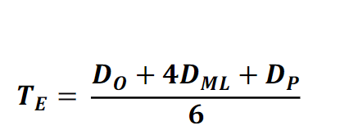
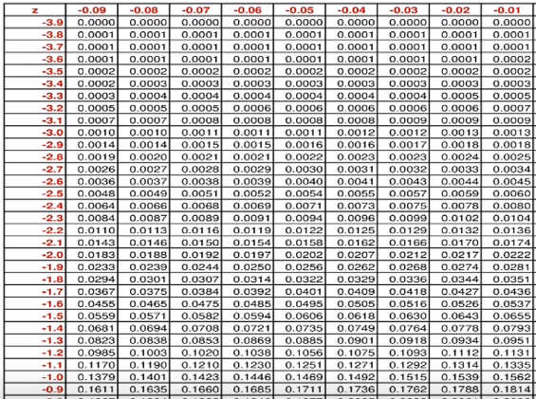
Index | Activities | optimistic duration Do | most likely duration Dm | pessimistic duration Dp | Variance (sigma) | Expected Duration(Te) | Percentage used for Do | Percentage used for Dp | duration (Weeks)
A | collect necessary data in-house (i.e. past year inventory, invoices, etc) | 8 | 20 | 28 | 11 | 19 | 0.6 | 0.4 | 4
B | list known suppliers and find new potential ones | 4 | 10 | 14 | 3 | 9 |  |  | 2
C | collect product information from suppliers (catalogue, offers, etc) | 6 | 15 | 21 | 6 | 14 |  |  | 3
D | normalize price/product data and analyze against in-house data | 4 | 10 | 14 | 3 | 9 |  |  | 2
E | vet supplier's reputation (financial stability, legal issues, known public records) | 4 | 10 | 14 | 3 | 9 |  |  | 2
F | analyze and compare suppliers contracts legal framework (this includes warranties, RMA, payments, conflict resolution, etc.) | 4 | 10 | 14 | 3 | 9 |  |  | 2
G | analyze and compare suppliers production capacity | 4 | 10 | 14 | 3 | 9 |  |  | 2
H | analyze and compare suppliers logistics | 4 | 10 | 14 | 3 | 9 |  |  | 2
I | select potential suppliers and star orders | 4 | 10 | 14 | 3 | 9 |  |  | 2
J | analyze and compare suppliers personnel assigned to us | 16 | 40 | 56 | 44 | 38 |  |  | 8
K | project future growth and requirements and compare against projected supplier capacity and challenges | 8 | 20 | 28 | 11 | 19 |  |  | 4
L | analyze suppliers production performance | 10 | 25 | 35 | 17 | 24 |  |  | 5
M | analyze suppliers personnel interaction | 4 | 10 | 14 | 3 | 9 |  |  | 2
N | evaluation/QC/QA of products | 16 | 40 | 56 | 44 | 38 |  |  | 8
O | organize physical visits to suppliers production facilities | 8 | 20 | 28 | 11 | 19 |  |  | 4
P | analyze and compare suppliers ability/willingness to develop/improve products according to our needs | 8 | 20 | 28 | 11 | 19 |  |  | 4
Q | evaluation of suppliers processes (legal, administrative, etc.) | 8 | 20 | 28 | 11 | 19 |  |  | 4
R | identify and cultivate relationship between key personnel | 8 | 20 | 28 | 11 | 19 |  |  | 4
S | identify and present critical issues with products/processes | 8 | 20 | 28 | 11 | 19 |  |  | 4
T | renegotiate/close contracts based on performance/issues | 8 | 20 | 28 | 11 | 19 |  |  | 4

 | Sum of Variance | == |  |  | 224
 | Standard deviation | == |  |  | 14.953632037
 | Sum of Expected Durations | == |  |  | 338
 | Checking Project Time (2 weeks before the date) | == |  |  | 14
 | Z-Score | == |  |  | -0.93622739713

EVA Analaysis
Index | Activities | Duration (weeks) | Required Cost | Activities | PV = BCWS | AC = ACWP | EV = BCWP | CPI=EV / AC | CV = EV - AC | SPI= EV/PV | SV = EV - PV | EAC

A | collect necessary data in-house (i.e. past year inventory, invoices, etc) | 4 | 20,000 € | WP1 | 20,000 € | 20,000 € | 20,000 € | 1.00 | 0 € | 1.00 | 0 €
B | list known suppliers and find new potential ones | 2 | 25,000 € | WP2 | 26,250 € | 28,875 € | 25,000 € | 0.87 | -3,875 € | 0.95 | -1,250 €
C | collect product information from suppliers (catalogue, offers, etc) | 3 | 10,000 € | WP3 | 9,500 € | 8,550 € | 10,000 € | 1.17 | 1,450 € | 1.05 | 500 €
D | normalize price/product data and analyze against in-house data | 2 | 10,000 € | WP4 | 10,200 € | 10,608 € | 10,000 € | 0.94 | -608 € | 0.98 | -200 €
E | vet supplier's reputation (financial stability, legal issues, known public records) | 2 | 15,000 € |  | 65,950 € | 68,033 € | 65,000 € | 0.96 | -3,033 € | 0.99 | -950 € | 307,446 €
Result of EVA
F | analyze and compare suppliers contracts legal framework (this includes warranties, RMA, payments, conflict resolution, etc.) | 2 | 5,000 €
G | analyze and compare suppliers production capacity | 2 | 8,000 € |  | 20,000 € | 20,000 € | 20,000 €
H | analyze and compare suppliers logistics | 2 | 3,000 € |  | 46,250 € | 48,875 € | 45,000 €
I | select potential suppliers and star orders | 2 | 6,000 € |  | 55,750 € | 57,425 € | 55,000 €
J | analyze and compare suppliers personnel assigned to us | 8 | 18,000 € |  | 65,950 € | 68,033 € | 65,000 €
K | project future growth and requirements and compare against projected supplier capacity and challenges | 4 | 10,000 €
L | analyze suppliers production performance | 5 | 26,000 €
M | analyze suppliers personnel interaction | 2 | 10,000 €
N | evaluation/QC/QA of products | 8 | 3,000 €
O | organize physical visits to suppliers production facilities | 4 | 30,000 €
P | analyze and compare suppliers ability/willingness to develop/improve products according to our needs | 4 | 24,000 €
Q | evaluation of suppliers processes (legal, administrative, etc.) | 4 | 2,000 €
R | identify and cultivate relationship between key personnel | 4 | 24,000 €
S | identify and present critical issues with products/processes | 4 | 45,000 €
T | renegotiate/close contracts based on performance/issues | 4 | 1,000 €
 |  |  | 295,000 €

